1. Title Page
[Project Name]

Project Name: Instacart Recommendations
Date: February 2023
Analyst Name: Hakan Gürler

Contents:
Population Flow
Consistency checks
Wrangling steps
Column derivations
Visualizations
Recommendations

2. Population Flow
Title page

Population flow

Exclusion flag
Condition: max_order < 5
Obervations to be removed: 1,440,295
Final total count of order_products_all: 30,964,564

Orders_products_combined
Orders_products_merged
Orders_products_all

Total:32,404,859
Total: 32,434,489
Total:32,404,859

1.) The grey boxes in the first row of the population flow represent the original data sets as they were when you downloaded them. In the Total fields you need to add the count of the rows when you imported the data set into Jupyter.
2.) The second row of boxes (coloured) represents the data sets after you manipulated them, e.g., removed missing values and duplicates. In the Total fields you need to add the count of the rows after conducting these operations. This offers a visual oveview of how the data flows throughout the data consistency checks.
3.) The third row, where also the arrows are coloured, represents the merges you performed between the datasets. In the Total fields you need to add the count of the rows in the merged datasets, so that you end up with the final dataset (in the red box). Keep in mind the final dataset should be without exclusions (based on the exclusion flag).

3. Consistency checks
 |  |  |  | Title page
Consistency checks

Dataset | Missing values | Missing values treatment | Duplicates
orders | 206, 209 missing values in 'days_since_prior_order' | These values were not removed because they are informative in context. | No duplicates found
products | 16 missing values | removed with the new dataframe | 5 duplicates found and removed
orders_products_prior | None | none | none
customers | 11,259 missing values for first name | First and surname columns were dropped | none

4. Wrangling steps
 |  |  |  | Title page
Wrangling steps

Columns dropped | Columns renamed | Columns' type changed | Comment/Reason
[eval_set] from orders dataset dropped. |  |  | it was not needed
The "unnamed 0:" column was dropped from the final dataframe (final_df) by renaming a subset of the dataframe without that column. |  |  | It was doubled.
name' and 'surnam' were dropped. |  |  | Protection of Ids. Security reasons

5. Column derivations
 |  |  |  | Title page

Column derivations and aggregations

In this tab you should add tables below that the frequences of flags/label variables that you produced after deriving them. NB: don't do this for continuous variables, only for flags.
Dataset | New column | Column/s it was derived from | Conditions
df_ords_prods_merged | busiest_period_of_day | orders_time_stamp' | Most orders' = 2 busiest hours, 'Least orders' = the 2 least busiest hours, the rest were labeled 'Average orders'.
df_ords_prods_merged | busiest_day | orders_day_of_week' | Top busiest 2 days were labeled 'busiest' and the 2 slowest days were labeled 'slowest' and the rest were labeled 'regular days'.

df_ords_prods_merged | loyalty_flag | max_order' | Loyal customer' have >40, 'New customer' have <=10 max orders, and the are labeled 'Regular customer'.
df_ords_prods_merged | spender_flag | mean_price' | < 10 for 'Low spender' and >= 10 for 'High spender'.
df_ords_prods_merged | frequency_flag | days_since_prior_order' | <= 10 for 'Frequent customer', between 10 and 20 for 'Regular customer', and >20 for 'Non-frequent customer'.

df_2 | age_group | age' | Young Adult' = ages between 18 and 35, 'Middle-Aged' = ages 36 to 50, and 'Senior Adult' is 50 to 100.
df_2 | income_flag | income' | Low income' = incomes less than 52,200, 'Middle Income' = incomes between 52,200 and 156,600, and 'Upper Income' = incomes greater than 156,600.

6. Visualizations
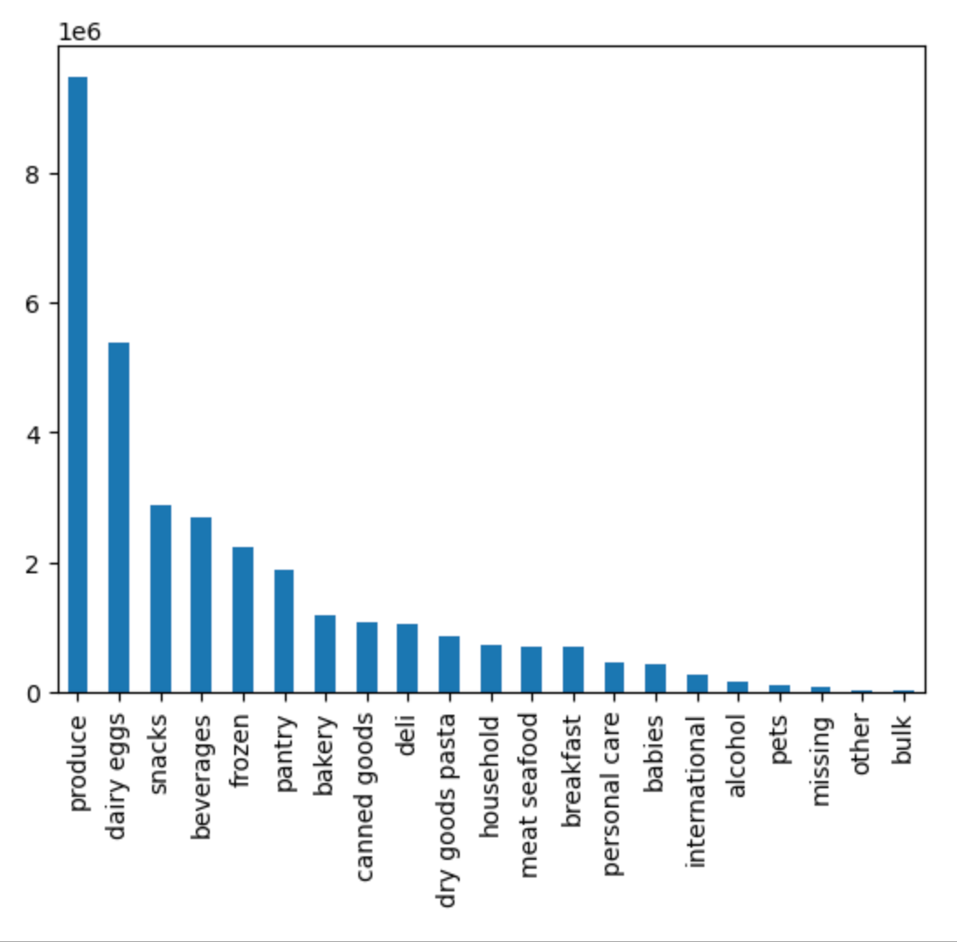
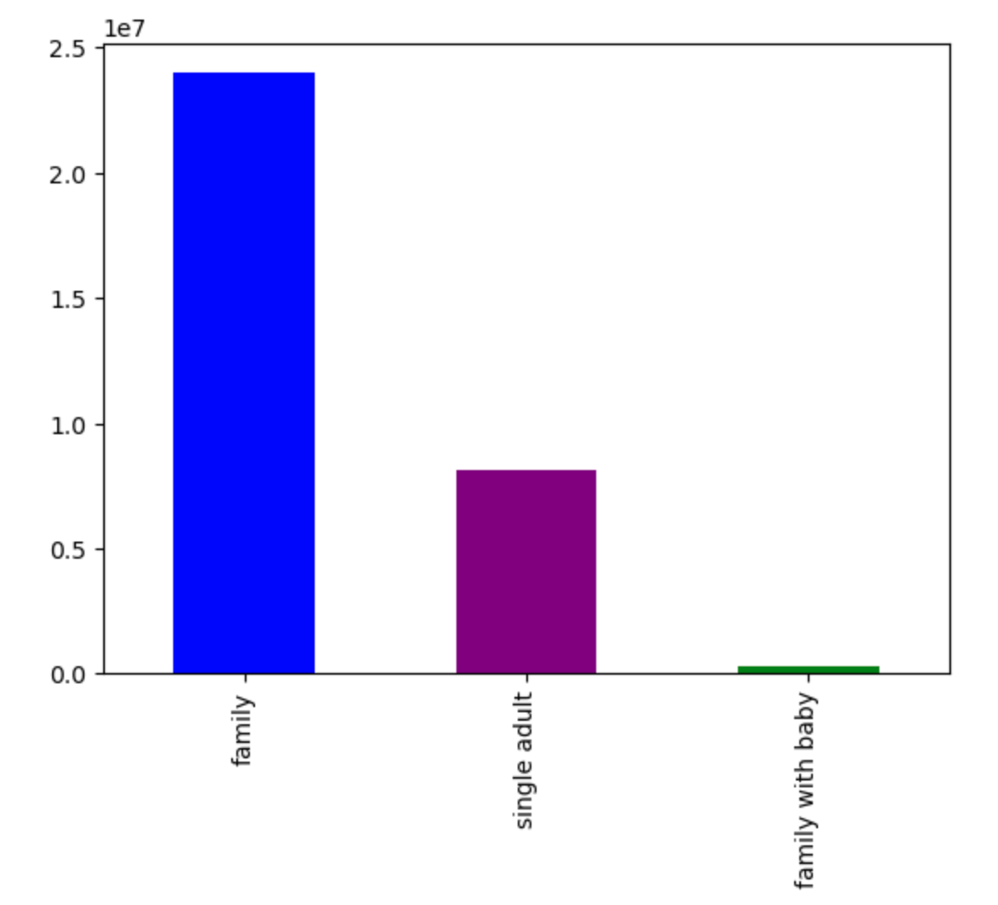
 |  |  | Title page

Visualisations

In this tab you should include all the visualtions from Exercises 4.9 and 4.10, alongside the questions from the project brief that they answer. Include any commentary on the relationship between different variables.

This graph shows how many orders were placed on the day of the week. Saturday is the busiest day. |  |  |  | Frequency of orders per hour of the day




Graph shows if there is a difference in expenditure on the hour of the day |  |  | Scatterplot shows the difference between income and age.




Graph is a line chart reflecting the age of the user and the amount of dependants |  | Scatterplot shows the difference between income and age.
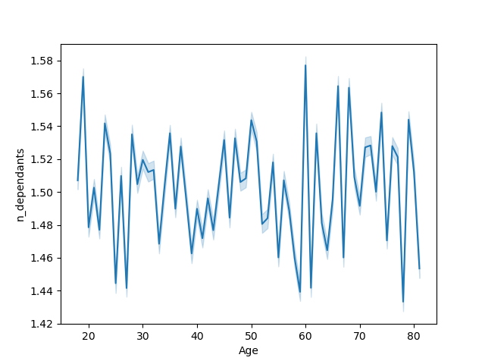

 | Bar chart shows the amount of users per age group. Gen X is number one. |  | Bar chart per users categorized with income. Most fall under the middle class category.

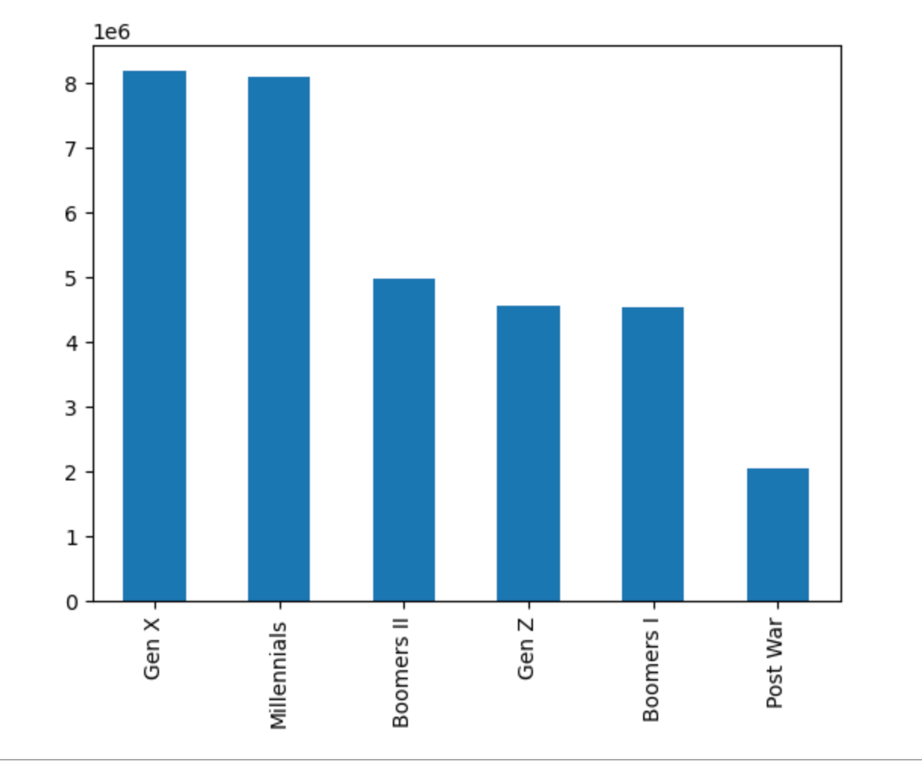
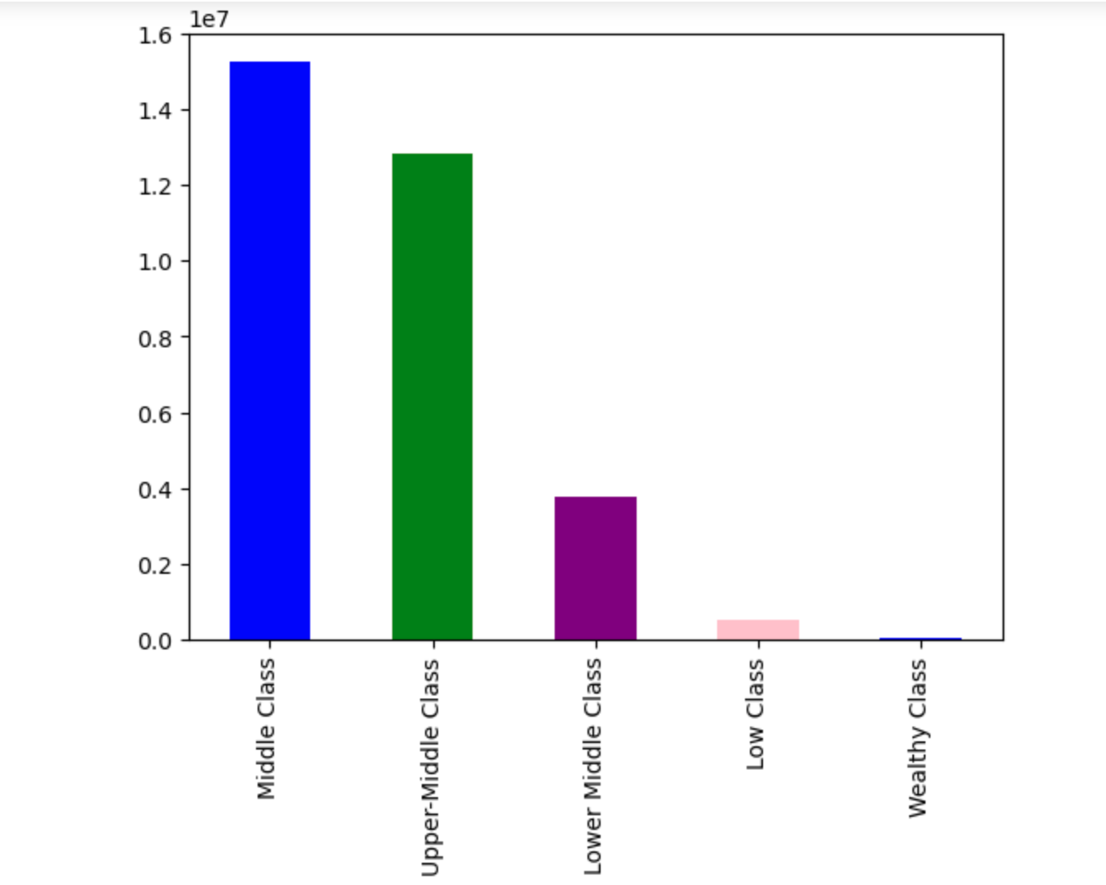

Bar chart per department category. Most orders are in produce. |  |  |  | Bar chart per family status.

7. Recommendations
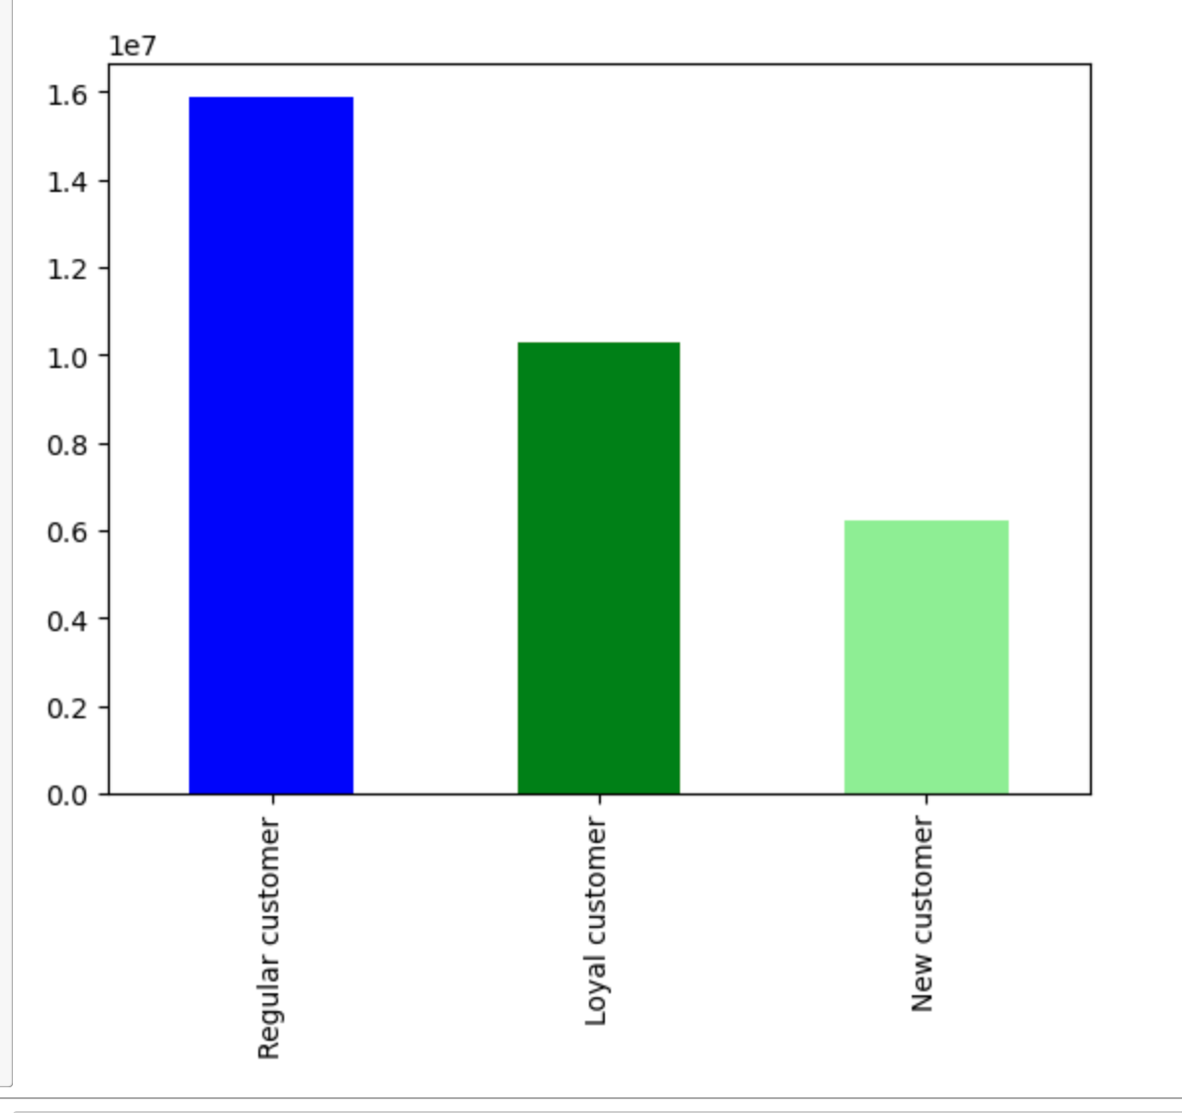
 |  |  | Title page

Recommendations

In this tab you should include any recommendations you would made to Instcart in terms of their marketing strategy based on the questions posed in the brief. Every key question has been covered in the Tasks of the Exercises - here you need to add an item - a visualisation or table/crosstable that is showing the answer in the data, acompanied by a comment from you. Please, list the questions below and add the answer underneath.

 |  |  |  | Department | Items_sold | Department ID
Question |  |  |  | Produce | 9479291 | 4
The sales team needs to know what the busiest days of the week and hours of the day are (i.e., the days and times with the most orders) in order to schedule ads at times when there are fewer orders. |  |  |  | dairy eggs | 5414016 | 16
 |  |  |  | snacks | 2887550 | 19
 |  |  |  | beverages | 2688159 | 7
Answer |  |  |  | frozen | 2236432 | 1
 |  |  |  | pantry | 1875577 | 13
The busiest days of the week are as follows: Saturday, Sunday, Friday, Monday, Thursday, Tuesday and Wednesday. I would recommend scheduling ads on the weekdays. |  |  |  | bakery | 1176787 | 3
 |  |  |  | canned goods | 1068058 | 15
 |  |  |  | deli | 1051249 | 20
The busiest hours are between 9 and 5 PM. I would recommend scheduling ads earlier and later in the day. |  |  |  | dry goods pasta | 866627 | 9
 |  |  |  | household | 738666 | 17
 |  |  |  | breakfast | 710647 | 14
 |  |  |  | meat seafood | 708931 | 12
 | Days |  |  | personal care | 447691 | 11
 | Saturday | 0 |  | babies | 423802 | 18
 | Sunday | 1 |  | international | 269253 | 6
 | Monday | 2 |  | alcohol | 153743 | 5
 | Tuesday | 3 |  | pets | 97724 | 8
 | Wednesday | 4 |  | missing | 69145 | 21
 | Thursday | 5 |  | other | 36291 | 2
 | Friday | 6 |  | bulk | 34573 | 10

They also want to know whether there are particular times of the day when people spend the most money, as this might inform the type of products they advertise at these times.

The times of the day when people spend the most money is around 1-5 AM. This is interesting considering the busiest hours for orders are between 9 and 5 PM.

Ensure the online system can sustain the busiest hours of the busiest days.
Offer incentives to shop outside of peak hours to prevent system overload (e.g. 10% off for orders before 9am or after 6 pm)

Are there certain types of products that are more popular than others? The marketing and sales team want to know which departments have the highest frequency of product orders.

The most popular products are produce, followed by dairy eggs and snacks.
Offer buy-one-get-one-free for popular departments to drive more sales for products customers already buy (produce, frozen, beverages, dairy, and snacks).
Offer frequency rewards to drive more sales with loyal customers (10% off next order if made in 5 days).

What's the distribution among users in regards to their brand loyalty (i.e., how often do they return to Instacart)?

The distribution among users are categorized under regular customers, loyal customers and new customers. Most of the customers are Regular Customers

